User visiting app daily
User Visiting App Daily
Date | Count of User id
2021-04-01 | 347
2021-04-02 | 341
2021-04-03 | 951
2021-04-04 | 947
2021-04-05 | 345
2021-04-06 | 344
2021-04-07 | 346
2021-04-08 | 346
2021-04-09 | 338
2021-04-10 | 936
2021-04-11 | 935
2021-04-12 | 342
2021-04-13 | 344
2021-04-14 | 338
2021-04-15 | 338
2021-04-16 | 336
2021-04-17 | 935
2021-04-18 | 939
2021-04-19 | 337
2021-04-20 | 348
2021-04-21 | 343
2021-04-22 | 341
2021-04-23 | 340
2021-04-24 | 927
2021-04-25 | 931
2021-04-26 | 333
2021-04-27 | 340
2021-04-28 | 341
2021-04-29 | 331
2021-04-30 | 330
Grand Total | 14990

avg revenue
Average Revenue Per User Day
date | Average of Revenue collected | Count of User id
2021-04-01 | 52.971 | 347
2021-04-02 | 53.560 | 341
2021-04-03 | 51.468 | 951
2021-04-04 | 51.537 | 947
2021-04-05 | 54.038 | 345
2021-04-06 | 54.247 | 344
2021-04-07 | 53.936 | 346
2021-04-08 | 53.743 | 346
2021-04-09 | 55.396 | 338
2021-04-10 | 52.331 | 936
2021-04-11 | 52.318 | 935
2021-04-12 | 54.357 | 342
2021-04-13 | 52.977 | 344
2021-04-14 | 55.278 | 338
2021-04-15 | 53.704 | 338
2021-04-16 | 54.676 | 336
2021-04-17 | 52.660 | 935
2021-04-18 | 52.600 | 939
2021-04-19 | 53.970 | 337
2021-04-20 | 53.885 | 348
2021-04-21 | 53.493 | 343
2021-04-22 | 53.331 | 341
2021-04-23 | 54.397 | 340
2021-04-24 | 52.665 | 927
2021-04-25 | 53.175 | 931
2021-04-26 | 55.363 | 333
2021-04-27 | 54.374 | 340
2021-04-28 | 53.543 | 341
2021-04-29 | 53.885 | 331
2021-04-30 | 55.258 | 330
Grand Total | 53.220613742 | 14990

Avg users active
USERS ACTIVE PER DAY
date | Count of User id
2021-04-01 | 347
2021-04-02 | 341
2021-04-03 | 951
2021-04-04 | 947
2021-04-05 | 345
2021-04-06 | 344
2021-04-07 | 346
2021-04-08 | 346
2021-04-09 | 338
2021-04-10 | 936
2021-04-11 | 935
2021-04-12 | 342
2021-04-13 | 344
2021-04-14 | 338
2021-04-15 | 338
2021-04-16 | 336
2021-04-17 | 935
2021-04-18 | 939
2021-04-19 | 337
2021-04-20 | 348
2021-04-21 | 343
2021-04-22 | 341
2021-04-23 | 340
2021-04-24 | 927
2021-04-25 | 931
2021-04-26 | 333
2021-04-27 | 340
2021-04-28 | 341
2021-04-29 | 331
2021-04-30 | 330
Grand Total | 14990

revenue by state
REVENUE COLLECTED BY STATE
state | Sum of Revenue collected
Karnataka | 58407
Utharakhand | 44657
Madhya Pradesh | 40016
Tamil Nadu | 39647
Bihar | 39235
Chattisgarh | 38025
WB | 35778
Rajasthan | 34506
West Bengal | 34462
Haryana | 34359
Kar | 34141
Telangana | 33099
AP | 32068
Jammu & Kashmir | 27165
TN | 26050
Chhattisgarh | 25462
Delhi | 22436
Jharkhand | 21795
Orissa | 20600
Telengana | 18624
Assam | 17208
Uttar Pradesh | 16080
New Delhi | 15481
Uttarakhand | 15168
Chathisgarh | 11750
Gujarat | 11686
HP | 10228
Punjab | 8208
Andhra Pradesh | 7062
Maharashtra | 6257
Himachal Pradesh | 5822
MP | 3927
Jammu and Kashmir | 3814
J&K | 1576
UP | 1556
Odisha | 1422
Grand Total | 797777

Top 5 states by revenue
Top 5 States by Revenue
state | Sum of Revenue collected
Bihar | 39235
Karnataka | 58407
Madhya Pradesh | 40016
Tamil Nadu | 39647
Utharakhand | 44657
Grand Total | 221962

Dashboard
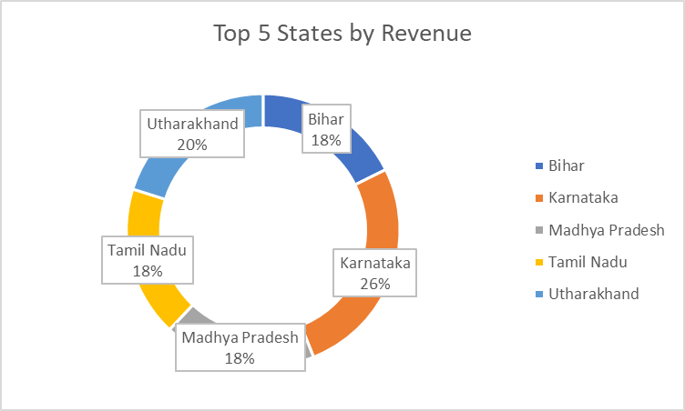
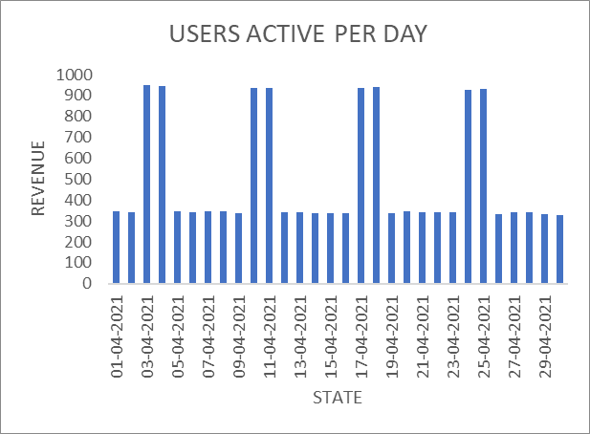
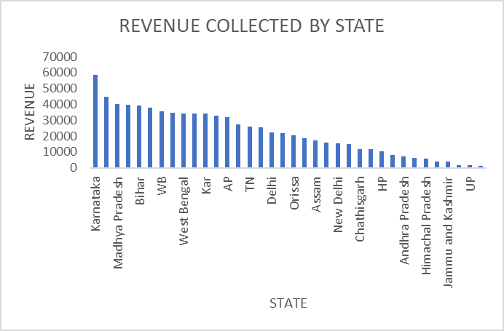
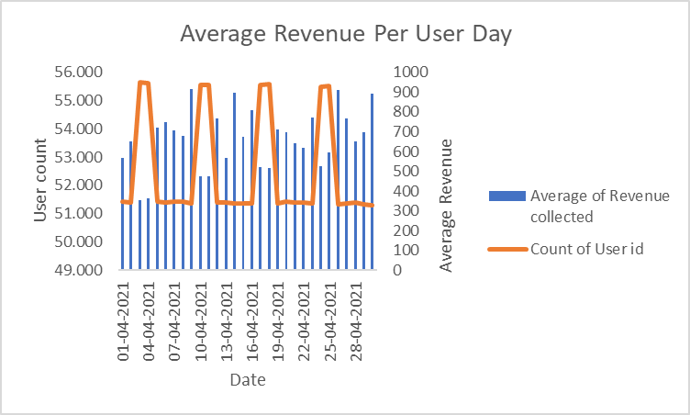
VISUAL GAMING DASHBOARD

User Visiting App Daily
 | Total
01-04-2021 | 347
02-04-2021 | 341
03-04-2021 | 951
04-04-2021 | 947
05-04-2021 | 345
06-04-2021 | 344
07-04-2021 | 346
08-04-2021 | 346
09-04-2021 | 338
10-04-2021 | 936
11-04-2021 | 935
12-04-2021 | 342
13-04-2021 | 344
14-04-2021 | 338
15-04-2021 | 338
16-04-2021 | 336
17-04-2021 | 935
18-04-2021 | 939
19-04-2021 | 337
20-04-2021 | 348
21-04-2021 | 343
22-04-2021 | 341
23-04-2021 | 340
24-04-2021 | 927
25-04-2021 | 931
26-04-2021 | 333
27-04-2021 | 340
28-04-2021 | 341
29-04-2021 | 331
30-04-2021 | 330

